Convert DD Usage to Coralogix
DD Usage |  |  |  |  |  |  |  | 

Infra Hosts | Custom Metrics | Indexed Logs - Live & Rehydrated (Million) | Indexed Logs - 15 Day Retention (Million) | Rum Sessions | Serverless Invocation
200 | 135 |  | 374 |  | Daily
Ingested Spans (GB) | Indexed Spans (Million) | Ingested Logs (Live & Rehydrated) (GB) | Indexed Logs - 90 Day Retention (Million) | Analyzed Logs - (Security) - 15m retention (GB) | Fargate Tasks
35 | 1 | 1,150 | 0 | 0 | 0
APM Hosts | Profiled Hosts | Containers | Profiled Containers | Custom Events | Serverless Functions
23 |  | 3025 | 0 | 29,000
Error Tracking Events

Coralogix Sizing |  |  |  |  |  |  | Hourly | Hosts
 |  |  |  |  |  | Infra Hosts | 131,000 | 200 | Enter Hourly Infra Hosts
Logs |  |  |  | Logs |  | Containers | 1,980,000 | 3025 | Enter Hourly Containers
Total Ingested Logs | 1,150 | GB/month |  | 77.54% | Current indexed percentage | Profiled Containers | 0 | 0 | Enter Hourly Profiled Containers
Avg log size | 2.50 | KB |  | 38 | Total GB Logs / Day | APM Hosts | 21 | 0 | Enter Hourly APM Hosts
Total Indexed Logs | 374,000,000 | Logs/month |  | 19 | GB / Day (FS) / 50% | Profiled Hosts | 0 | 0 | Enter Hourly Profiled Hosts
Total Indexed Logs Size (Bytes) | 957,440,000,000 | Bytes/month |  | 15 | GB / Day (Mon) / 40% | Network hosts | 0 | 0 | Enter Hourly Network hosts
Total Indexed Logs Size (GB) | 891.69 | GB/month |  | 4 | GB/ Day (Comp) / 10% | Custom Metric Hours | 0 | 0 | Enter Hourly Custom Metrics
Total Indexed (GB) | 29.72 | GB / Day |  |  |  | Serverless Workload Functions | 0 | 0 | Enter Serverless Workload Functions (Hours)
 |  |  |  | Metrics
Metrics |  |  |  | 2,436,135 | TS (NumSeries) |  | Monthly | Daily
Hosts | 223 |  |  | 2436 | GB / Day | RUM Sessions | 195,000 | 6,414 | Enter Monthly RUM Sessions
Containers | 3,025 |  |  | 0.000033 | TS to Units | Serverless Invocations | 12,800 | 0 | Enter Monthly Serverless Invocations
Serverless | 0 | TS (NumSeries) |  | 80 | Metrics Units / Day
AVG 750 time series per node | 2,436,000 | TS (NumSeries)
Custom Metrics (count, sum, min, max, avg,Value,p50, p75, p90, p95, p99) | 135 | TS (NumSeries) |  | Tracing
Promethues Metrics |  | NumSeries |  | 7.01% | Current indexed percentage
 |  |  |  | 1 | Total GB / Day (Ingest)
Tracing |  |  |  | 0 | Indexed Tracing GB/Day
Avg span size | 2.5 | KB |  | 1 | GB Traces Archive
Ingested spans | 35 | GB/Month |  | 0 | GB Traces Indexed
Indexed spans | 2 | GB/Month
Daily Ingested spans (Bytes) | 1 | GB/Month |  | Totals
 |  |  |  | Logs (GB) | 38
 |  |  |  | Metrics (NS) | 2,436,135
 |  |  |  | Tracing (GB) | 1
 |  |  |  | RUM Sessions
 |  |  |  | RUM Errors | 0

 |  |  |  | Apply this information to the TCO Calculator

Convert DD hourly
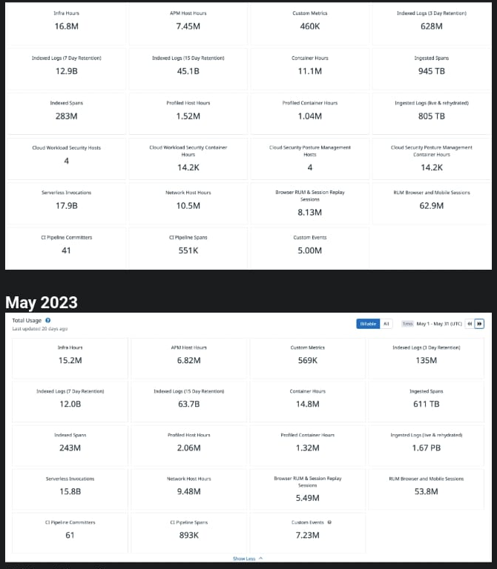
Convert Hourly to Hosts
 | Hourly | Hosts
Infra Hosts | 16,000,000 | 24444
Containers | 11,100,000 | 16958
Profiled Containers | 1,040,000 | 1589
APM Hosts | 7,450,000 | 11382
Profiled Hosts | 1,520,000 | 2322
Network hosts | 10,500,000 | 16042

